USE CASE DIAGRAM
Pay to Go Shower System
Sensor Actions

Measure Height

Height Sensor
Measure Weight

Weight Sensor
Stop Shower

Pay to Go Shower System
User Interactions
Pay to Go Shower System
Water Management

Pay Fee
FIll Water Dispenser

Start Shower
Water Mains

Allocate Water
Water Dispenser
Showerer
Stop Shower

Empty
Shower
Adjust Temperature

Drain

Pay to Go Shower System
Energy Management

Allocate Soap

Soap Dispenser
Powers
Circuitry

ElectricityMains

The temperature of the water would be limited by the circuitry through the use of Ohm's Law and Water's Specific Heat Capacity
Heats Water

Heating Element
Display Water Levels

Display Shower Controls

Touchscreen Display
Display Soap Levels

CLASS DIAGRAM
Transaction
+ Date: date + Time: time + Weight: int + Height: int + Cost: float
+ calculateBMI(weight, height) : float

Sensor

+ getheight() : int + getweight() : int

Dispenser

+ setWaterVolume () : void + setSoapVolume () : void + getWaterLevel() : int + getSoapLevel() : int

WeightSensor | HeightSensor | SoapDispenser | WaterDispenser
# Weight : double | # Height : double | # SoapLimit : double | # WaterLimit : double

1

Takes Values from
Determines Limit for

2
2

1

1

1
1
1
1

SEQUENCE DIAGRAMS
dsa
Sequence Diagram - Heat Water

<<actor>>
Showerer
<user interface>>
System User Interface
<<actor>>
Circuitry
<<actor>>
Heating Element

1. Sets Water Temperature
3. Set Target Temperature
4. Adjust Voltage

5. Measure Resistance
4. New Stable Temperature
6. Measure Resistance
8. Updated Temperature

dsa
Sequence Diagram - Shower Process

<<actors>>
Showerer
<<user interface>>
System User Interface
:WaterDispenser
:SoapDispenser

1. User Interaction (start shower)

dsa
loop (WaterLevel > 0%)

alt
dsa
[cancelShower != true]

2. GetWaterLevel()

3. WaterLevel

4. GetSoapLevel()

6. DisplayDispenser Levels
5. SoapLevel

[else]

7. Shower Cancelled

8. Shower Stopped Status Message

9. Shower Stopped Status Message

dsa
Sequence Diagram - Start Shower Process

<<actors>>
Showerer
<<user interface>>
:System User Interface
CalculateBMI :Transaction
:HeightSensor
:WeightSensor

1. User Interaction (Scan QR Code)

2. Pay Fee
3. GetHeight()

4. Height

5. GetWeight()

7. DispenserLimits
6. Weight
8. Display Ready Status

9. Display Full Water Level

10. Display Full Soap Level

11. User Interaction (start shower)

dsa
Sequence Diagram - Payment Process

<<actors>>
Showerer
<<user interaction>>
QR CODE
<<service>>
AliPay REST API
<<service>>
Receiver
<<service>>
ShowerService

1. scans QR Code

2. PayFee()
3. Send Payment Signal

4. Start New Transaction

5. Stop Shower

STATE CHART DIAGRAM
DOOR LOCKED / IDLE
Customer Pays
DOOR UNLOCKED WITHOUT CUSTOMER
Customer Enters Shower
State Chart: Shower States

Customer Exits
Entry / LOCK DOOR
READY TO SHOWER

DOOR UNLOCKED WITH CUSTOMER

Customer Starts Shower

Water Limit Reached / Stop Shower
START SHOWER

Customer Pauses shower
Customer Resumes shower

STOP SHOWER
Customer Ends Shower

FILL WATER DISPENSER
Customer Enters Shower
Entry / CALCULATE BMI
HOLD WATER / IDLE

Customer Starts Shower

DISPENSE WATER

Customer Pauses shower

Customer Stops Shower
HOLD WATER

DEPLOYMENT DIAGRAM
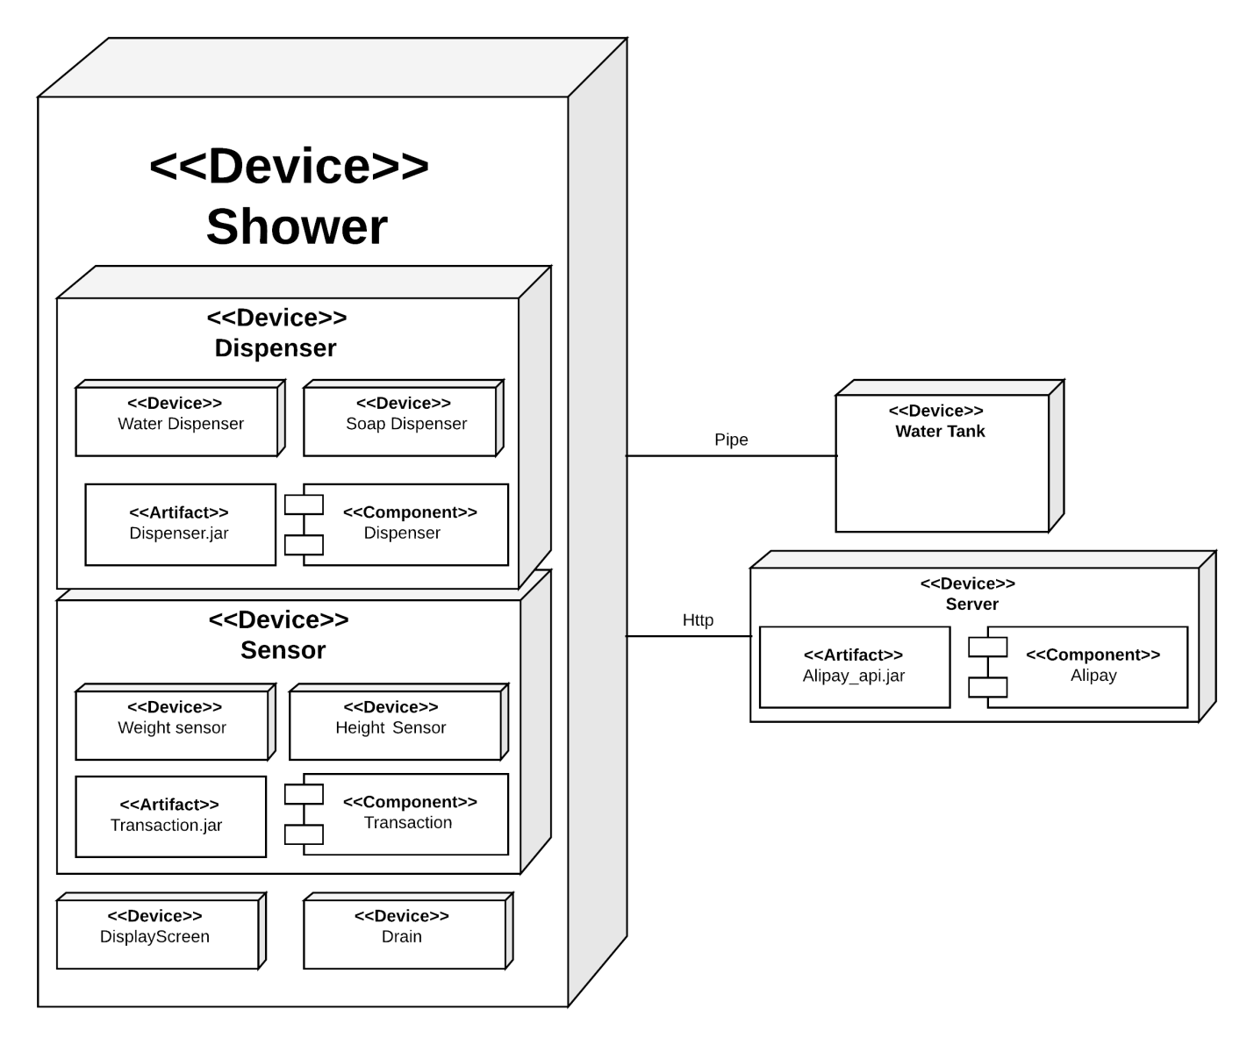

COMPONENT DIAGRAM
